Sheet1
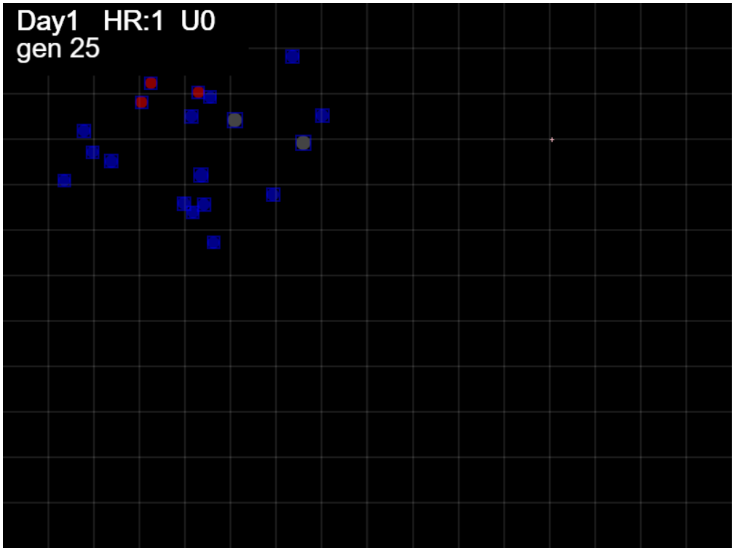

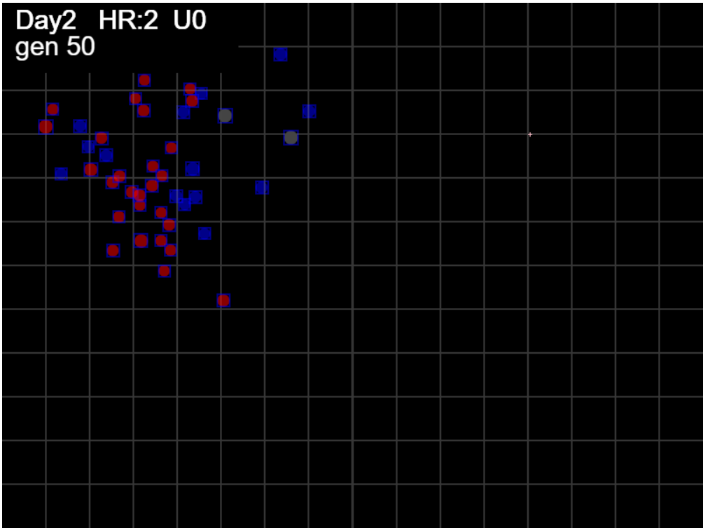

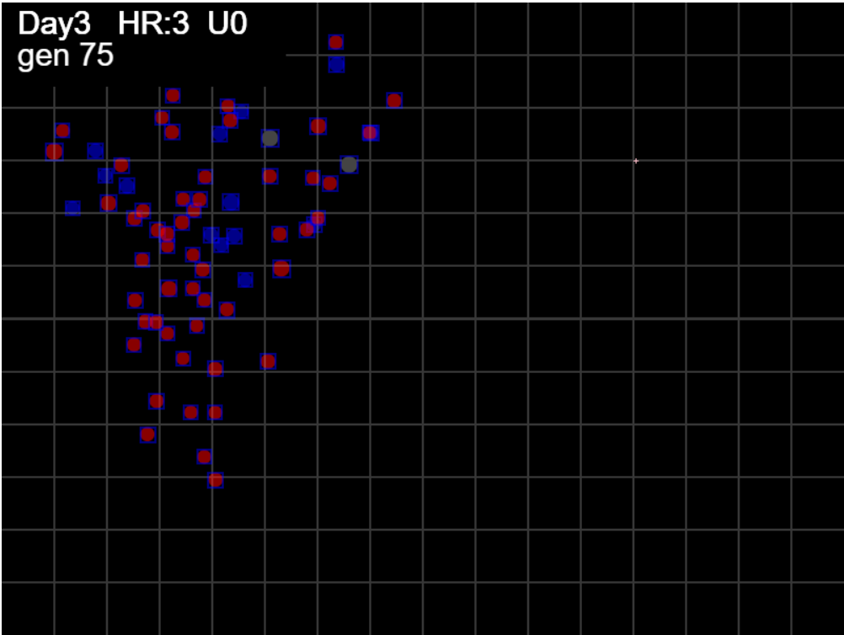

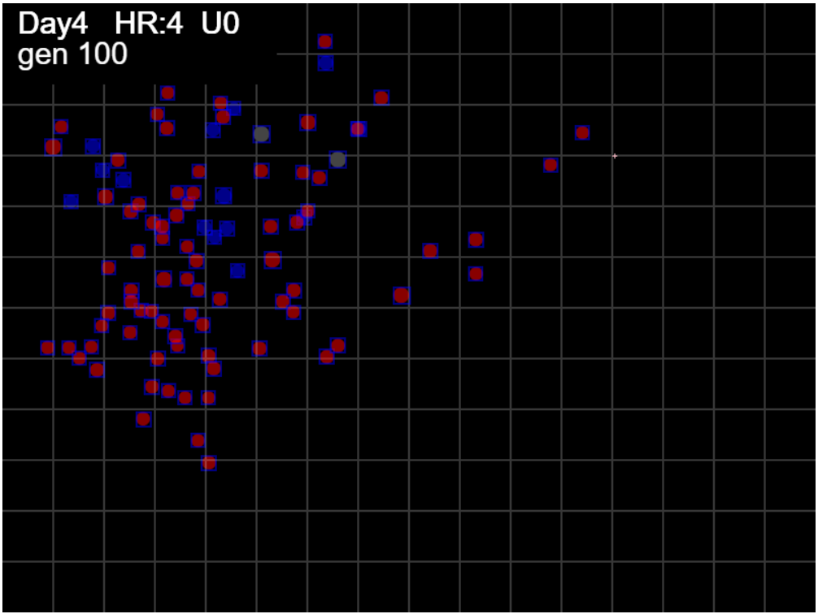

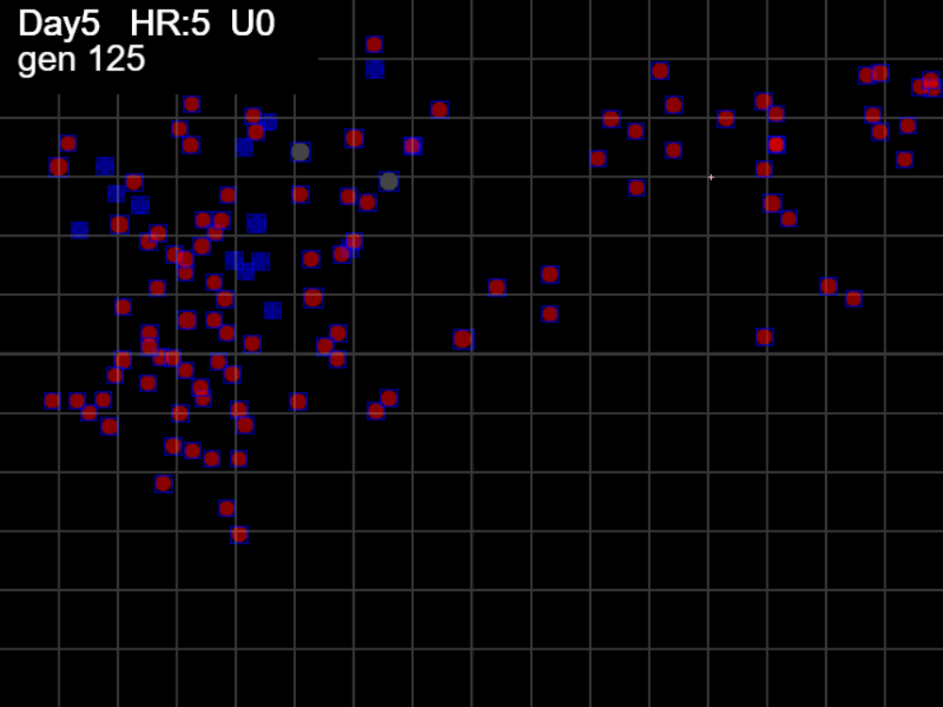

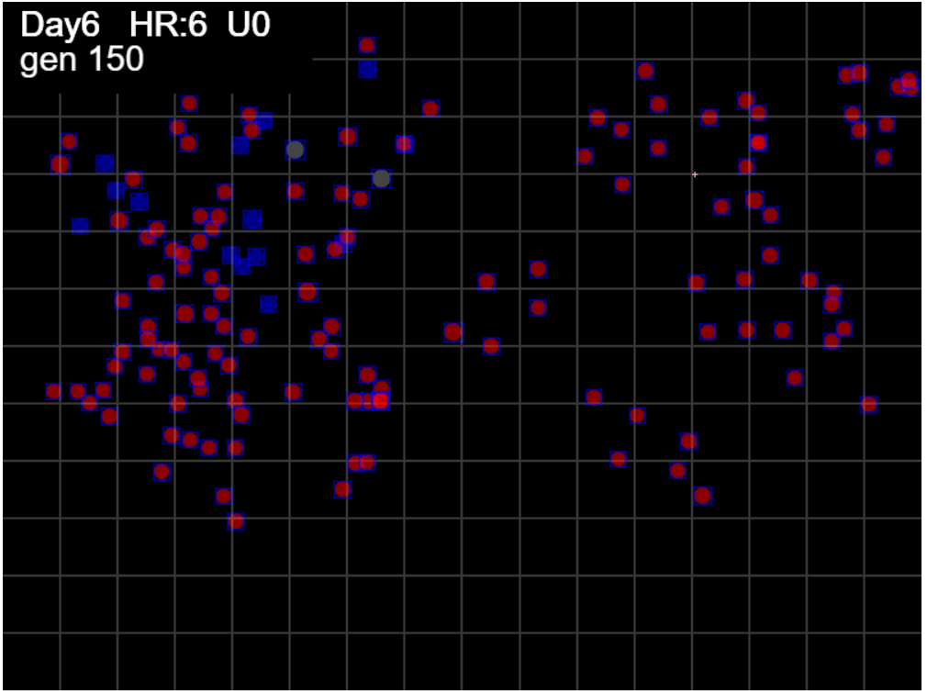

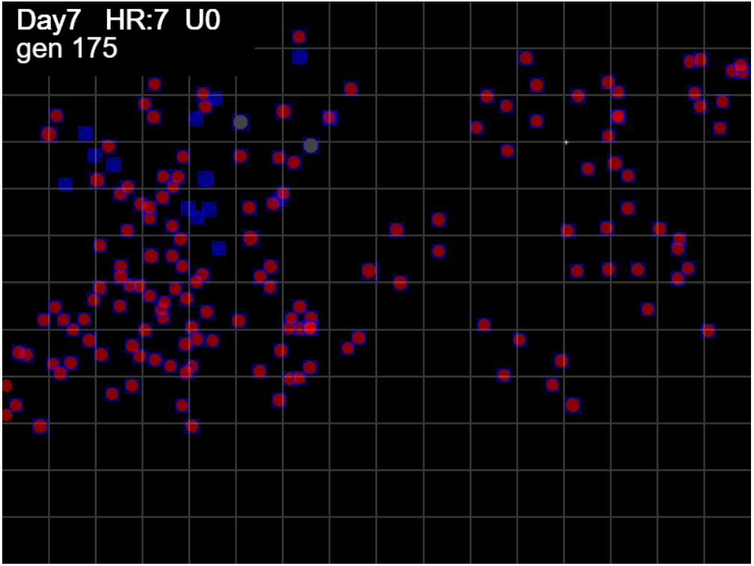

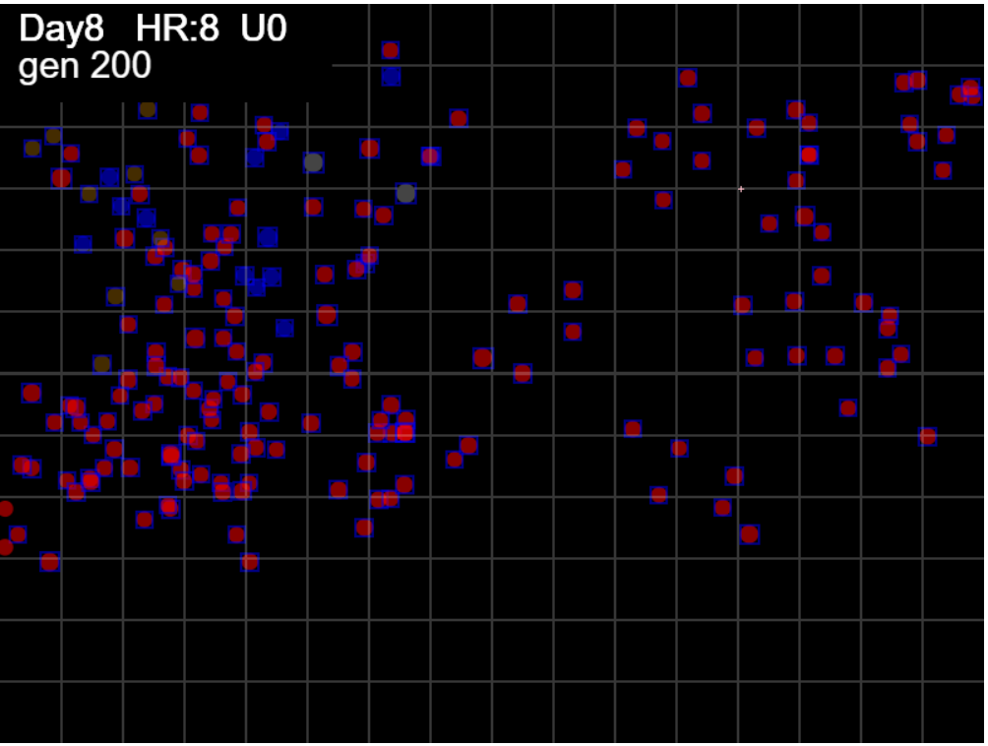

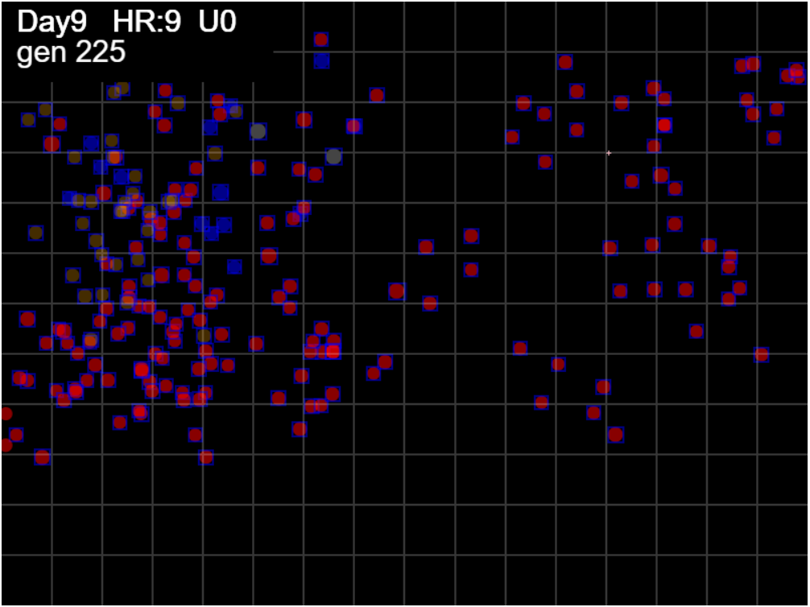

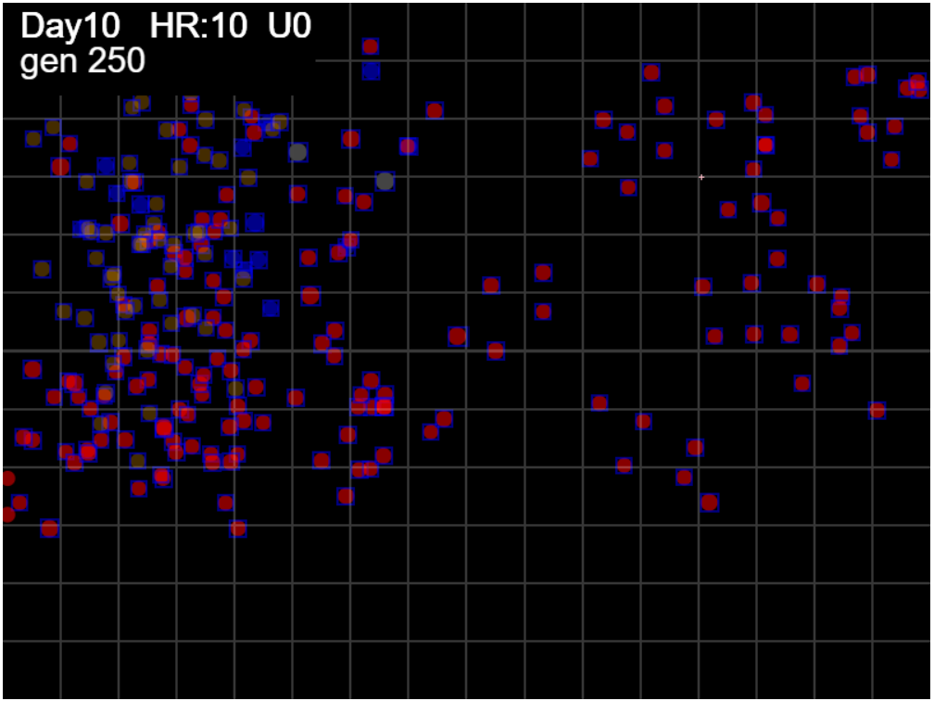

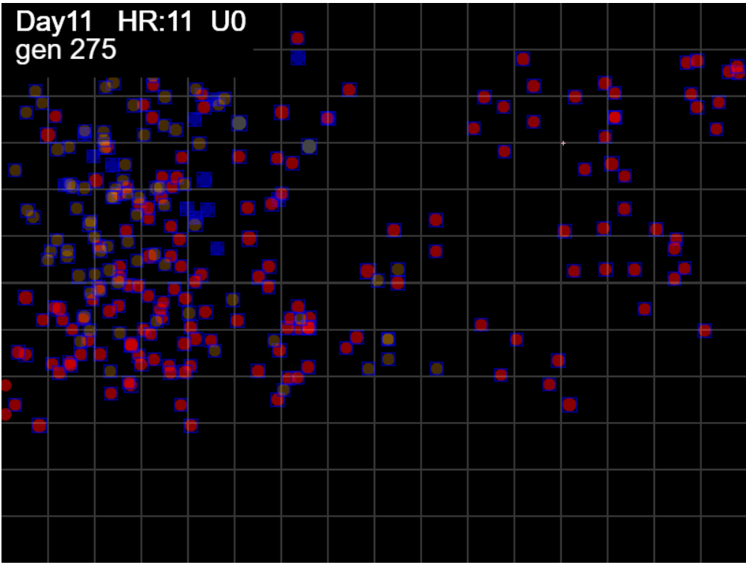

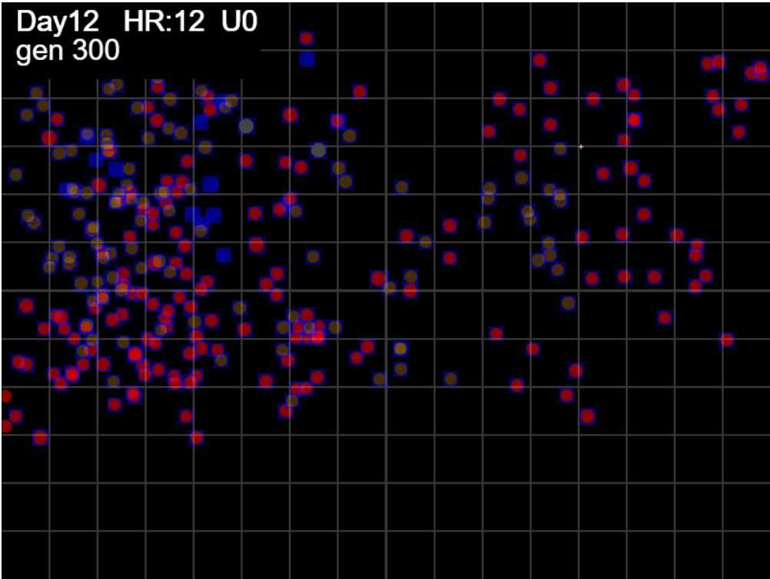

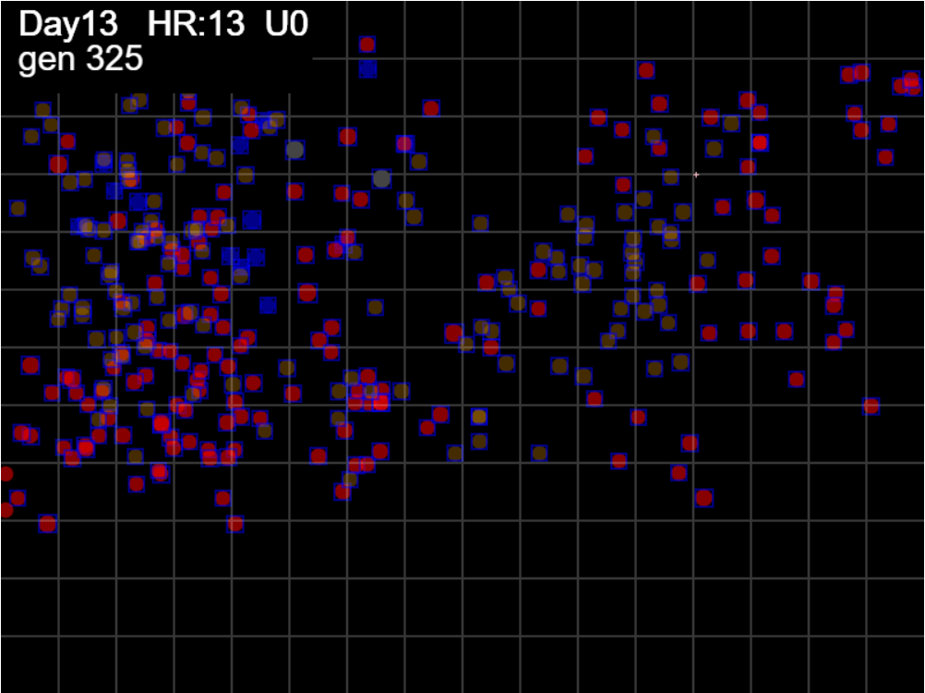

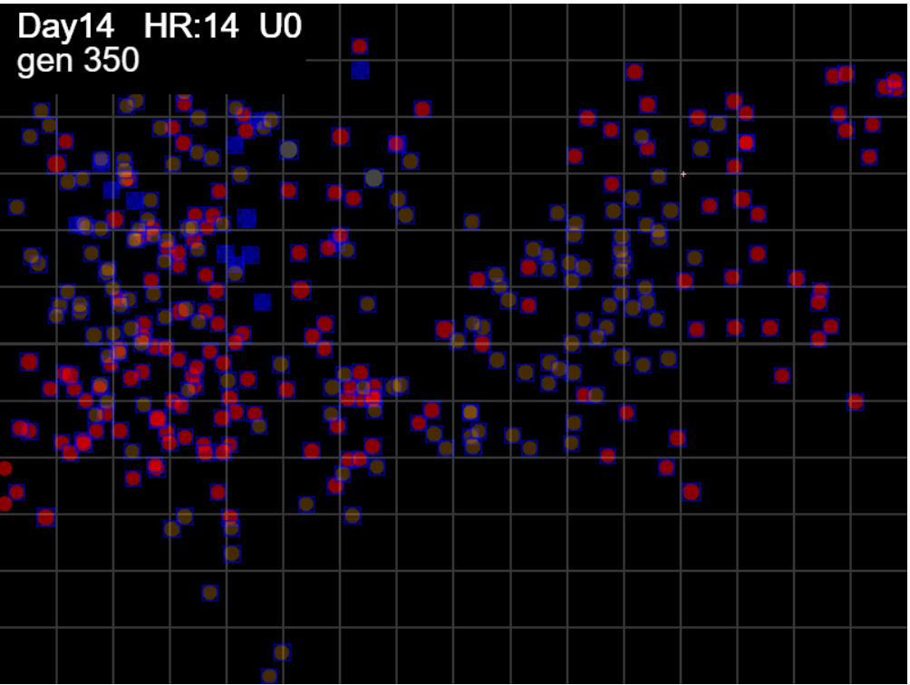

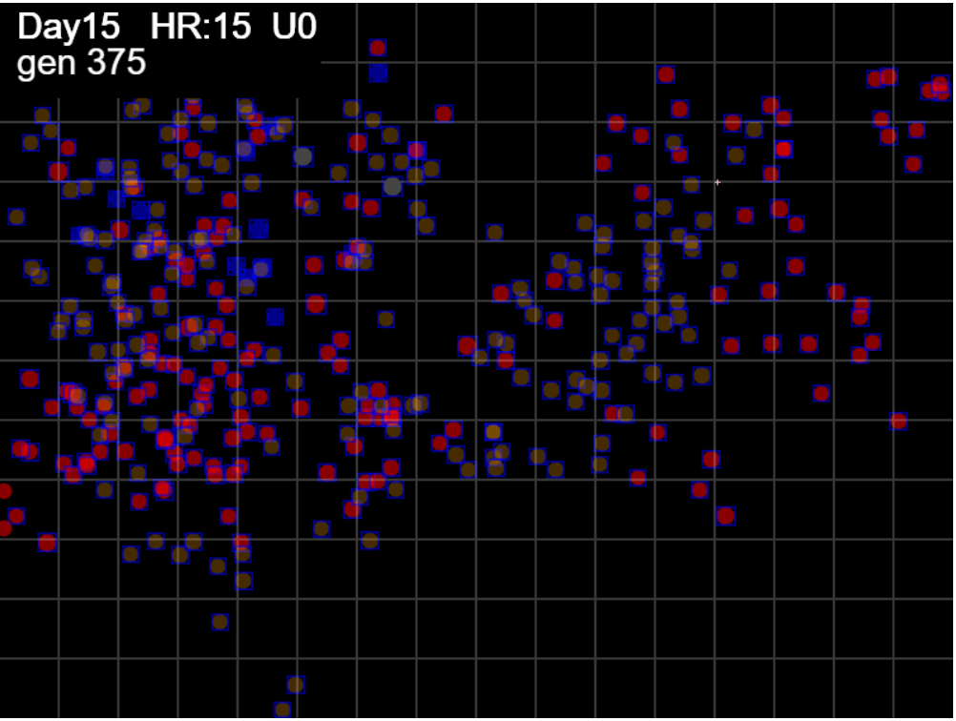

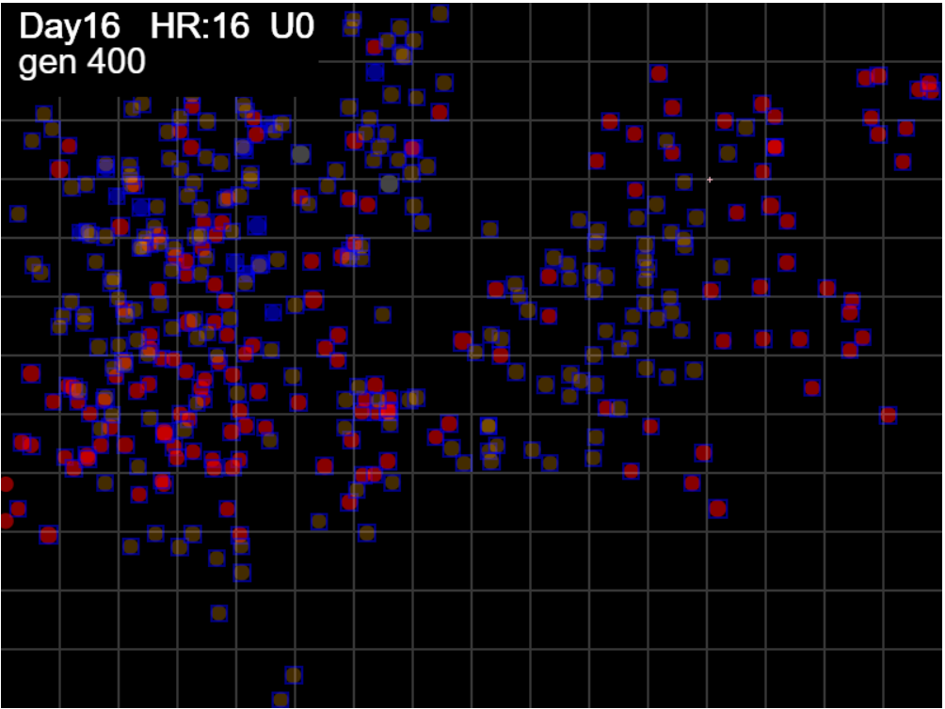

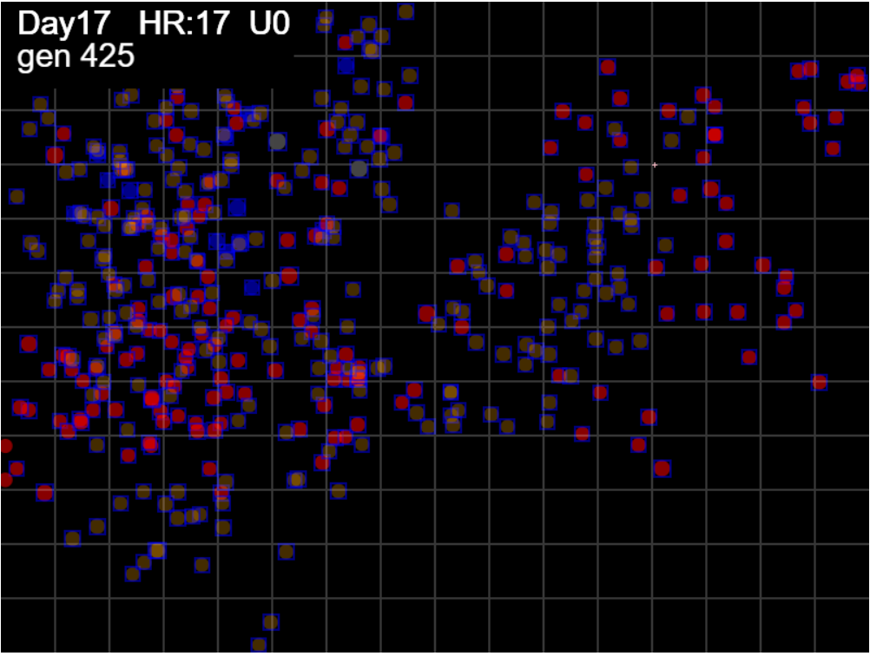

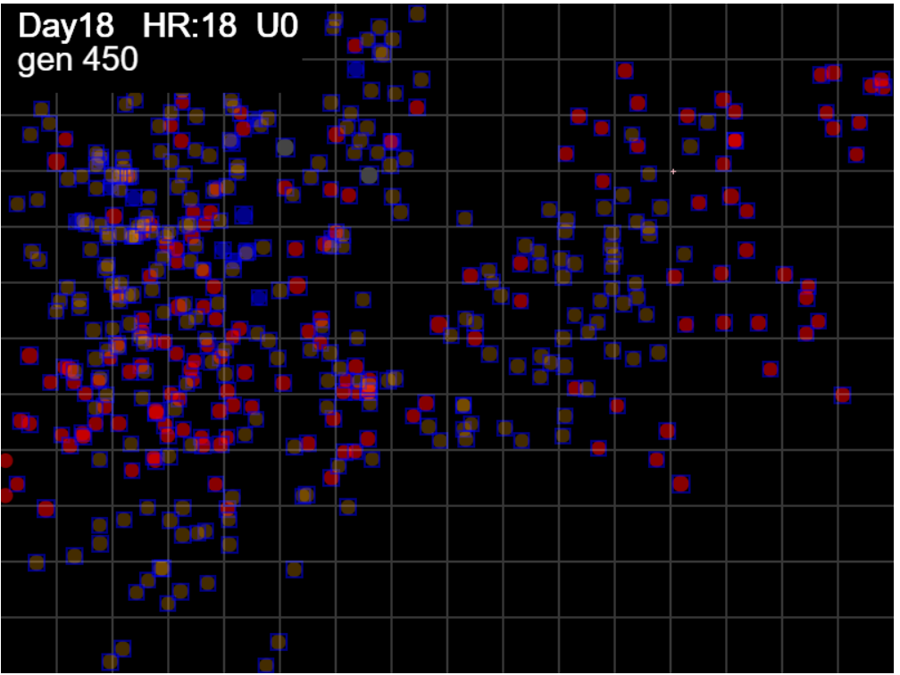

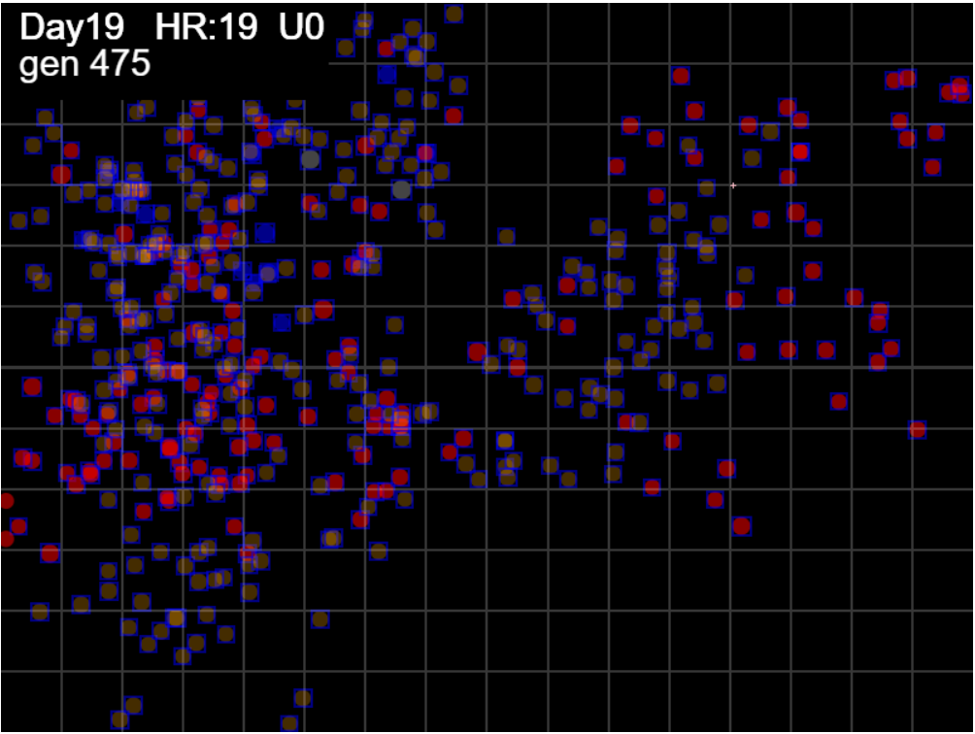

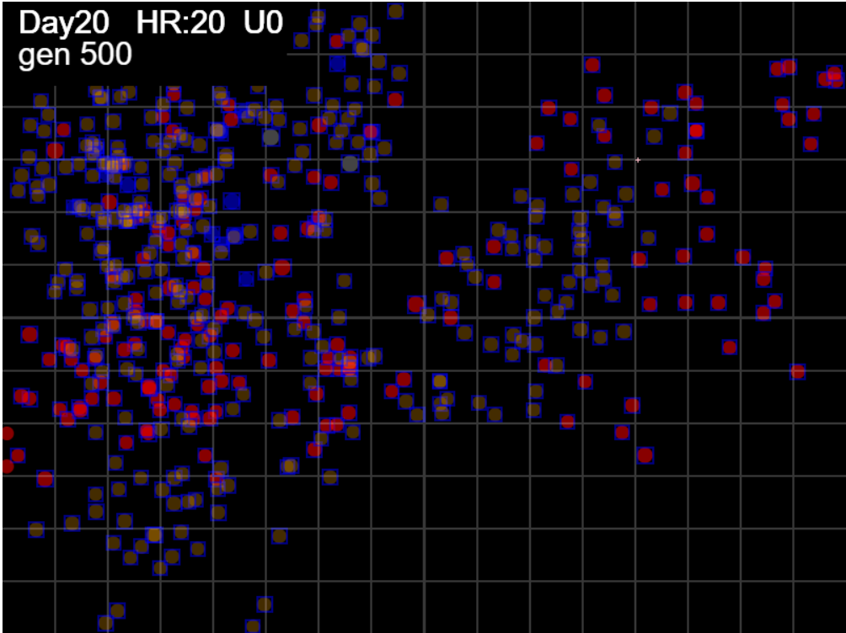

Sheet3
 | Spread S
 | 4.7021915423
 | 11.80598791
 | 10.929807094
 | 21.09497321
 | 18.304856513
 | 15.857853125
 | 16.359122205
 | 16.70257726
 | 16.070948699
 | 18.306494562
 | 17.822541031
 | 16.797546108
 | 23.765400507
 | 24.390998264
 | 25.902713465
 | 24.362552124
 | 23.172607418
 | 22.093490896
 | 21.659992637
 | 20.736961871
 | 20.357881747
 | 19.449679606
 | 18.789592901
 | 18.020019149
 | 17.333147096
 | 16.762808511
 | 16.205518297
 | 15.629820531
 | 15.167958809
 | 14.729406957
 | 14.330641286
 | 13.887122771
 | 13.518609737
 | 14.206912519
 | 13.85672317
 | 13.46358843
 | 13.092145826
 | 13.425025229
 | 14.04223297
 | 13.737969222
 | 13.470418236
 | 13.097293975
 | 12.805441626
 | 12.550368429
 | 12.267429366
 | 12.100911191
 | 11.837662099
 | 11.548898842
 | 11.342556849
...
higher = sparser, more spacing between individual prints or clusters
spread = territory/footprint

if this approaches 1, then footprint coers entire territroy
and is very tightly packed
as Spread index S increase -> more and more open spaces
so density will decrease

Spread is more visually sensitive than density

 | Coverage
 | 0.0039380854167
 | 0.014240972917
 | 0.01669072625
 | 0.0380588475
 | 0.0380588475
 | 0.0380588475
 | 0.044510445
 | 0.0508036725
 | 0.054038565
 | 0.0666280125
 | 0.070584688542
 | 0.070584688542
 | 0.10748892604
 | 0.11707679167
 | 0.13145627083
 | 0.13145627083
 | 0.13145627083
 | 0.13145627083
 | 0.13483345417
 | 0.13483345417
 | 0.1398756125
 | 0.1398756125
 | 0.14115681667
 | 0.14115681667
 | 0.14115681667
 | 0.14115681667
 | 0.14115681667
 | 0.14115681667
 | 0.14115681667
 | 0.14115681667
 | 0.14115681667
 | 0.14115681667
 | 0.14115681667
 | 0.15225074583
 | 0.15225074583
 | 0.15225074583
 | 0.15225074583
 | 0.16174358521
 | 0.17435772604
 | 0.17435772604
 | 0.17435772604
 | 0.17435772604
 | 0.17458085417
 | 0.17458085417
 | 0.17458085417
 | 0.17458085417
 | 0.17458085417
 | 0.17458085417
 | 0.17458085417
...
coverage = territory/Arena
higher = more of Arena covered

at 327 a spurt in territory - a tendril outshoot
looat at day 13 and day 14

I will output Gen instead of Day Hr

territory keeps growing - more outreach

 | Sectors
 | 2
 | 4
 | 5
 | 5
 | 6
 | 7
 | 8
 | 9
 | 11
 | 12
 | 13
 | 14
 | 14
 | 15
 | 16
 | 17
 | 18
 | 19
 | 21
 | 22
 | 22
 | 23
 | 23
 | 24
 | 24
 | 24
 | 24
 | 24
 | 24
 | 25
 | 25
 | 25
 | 25
 | 25
 | 26
 | 26
 | 27
 | 27
 | 29
 | 31
 | 31
 | 31
 | 31
 | 32
 | 32
 | 32
 | 32
 | 32
 | 32
 | 32
...

shows growth in sectors
sectors are 50x50 so would show slower growth
than territory which is by pixel limits of the
bounding rectangle for the footprint

 | Territory
 | 1890.281
 | 6835.667
 | 8011.5486
 | 18268.2468
 | 18268.2468
 | 18268.2468
 | 21365.0136
 | 24385.7628
 | 25938.5112
 | 31981.446
 | 33880.6505
 | 33880.6505
 | 51594.6845
 | 56196.86
 | 63099.01
 | 63099.01
 | 63099.01
 | 63099.01
 | 64720.058
 | 64720.058
 | 67140.294
 | 67140.294
 | 67755.272
 | 67755.272
 | 67755.272
 | 67755.272
 | 67755.272
 | 67755.272
 | 67755.272
 | 67755.272
 | 67755.272
 | 67755.272
 | 67755.272
 | 73080.358
 | 73080.358
 | 73080.358
 | 73080.358
 | 77636.9209
 | 83691.7085
 | 83691.7085
 | 83691.7085
 | 83691.7085
 | 83798.81
 | 83798.81
 | 83798.81
 | 83798.81
 | 83798.81
 | 83798.81
 | 83798.81
...

sector cover is sector/total sectors which is just
scaled by 192
so the shape is essentially the same

 | footprint
 | 201
 | 402
 | 579
 | 733
 | 866
 | 998
 | 1152
 | 1306
 | 1460
 | 1614
 | 1747
 | 1901
 | 2017
 | 2171
 | 2304
 | 2436
 | 2590
 | 2723
 | 2856
 | 2988
 | 3121
 | 3298
 | 3452
 | 3606
 | 3760
 | 3909
 | 4042
 | 4181
 | 4335
 | 4467
 | 4600
 | 4728
 | 4879
 | 5012
 | 5144
 | 5274
 | 5428
 | 5582
 | 5783
 | 5960
 | 6092
 | 6213
 | 6390
 | 6544
 | 6677
 | 6831
 | 6925
 | 7079
 | 7256
 | 7388
...

